A.Methodology Overview
Enrollment projection methodology overview
 |  | Figure 1: Sector-Level Projections Process
Our enrollment projections use a two-stage approach: sector-wide projections followed by school-level projections. Stage 1: Sector-level projections (see Figure 1) We start with audited SY24-25 enrollment as our baseline and project forward using three-year average grade progression ratios. For new student cohorts, we use PK3 as the entry point and estimate future PK3 enrollment by: - Calculating a two-year average birth-to-PK3 capture rate - Applying this rate to actual births (through 2023) and Office of Planning Round 10 birth forecasts (from 2024 onward) Alternative school enrollment remains constant at SY24-25 levels. Adult and special education schools are excluded from projections. Stage 2: School-level projections We use the sector-wide projections as inputs to estimate individual school enrollment. Since entry grades vary across schools and grade bands, we: - Calculate each school's share of total sector enrollment for their entry grade using a three-year weighted average - Apply this proportion to the sector-wide projection for that grade - Project these entry cohorts forward using three-year weighted average of the school-level grade progression ratios - Scale the final school projections proportionally so they sum to the sector-wide projections for each year | 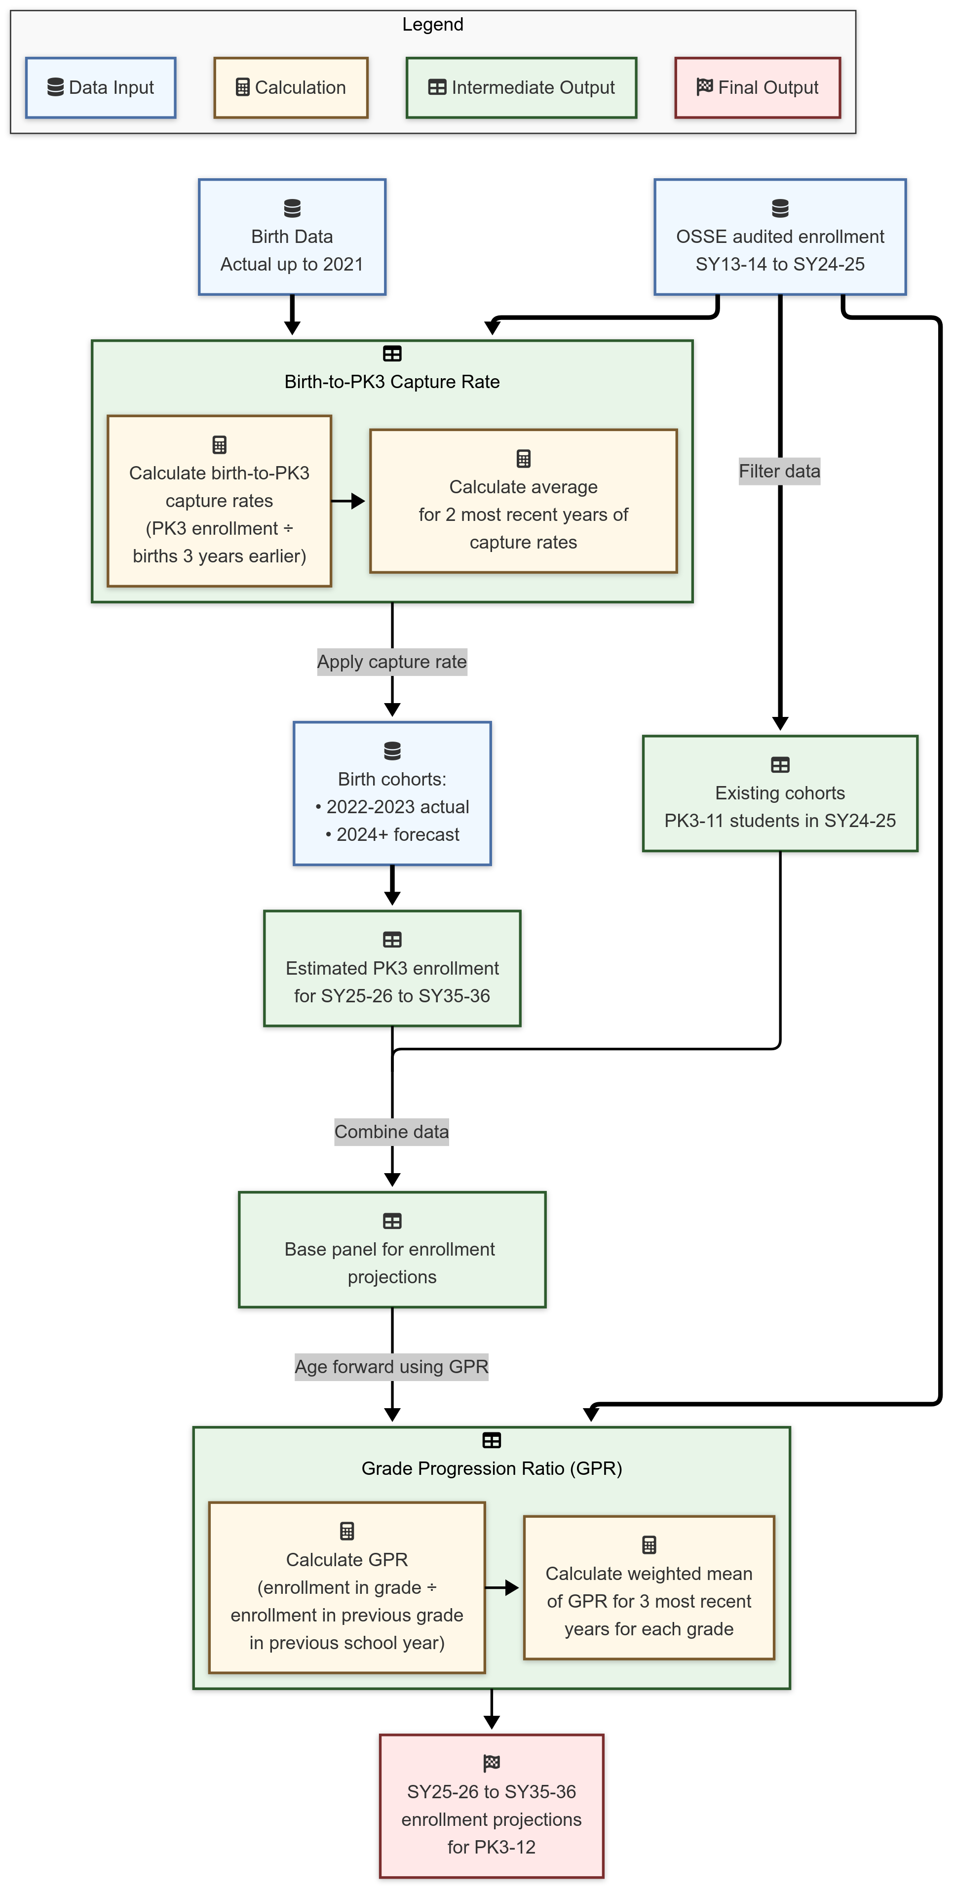

Notes - Apart from known closures at the end of SY24-25 (I Dream PCS and Hope Community PCS), no new school closures are assumed - The school-level projections include 1 planned DCPS, opening in SY28-29 (Euclid MS) - Known school grade changes are included

